Comment on screen
 | enoVestor Apps feedbacks
 |  |  |  |  |  |  |  |  | For FTA use only
Display sent from FTS |  |  | FTA Suggested screen |  |  | FTA Feedback |  |  | Date | Suggested by
1. Login screen
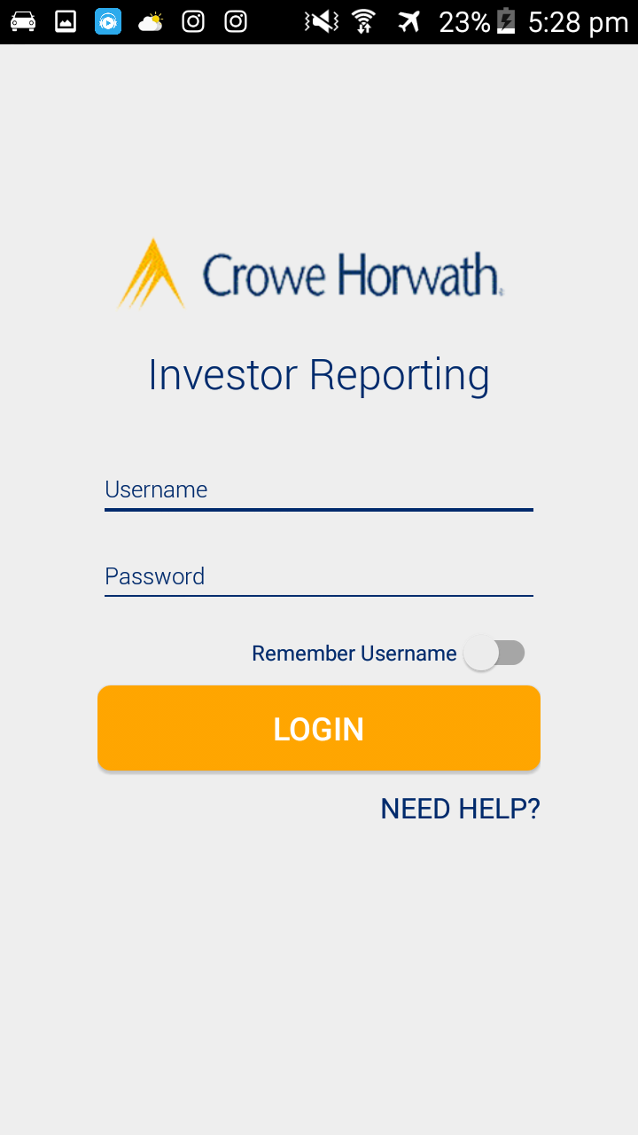

 |  |  | Company logo |  |  | 1.1. Please use the image I have attached to change the company logo. The current one is blur. |  |  | 1-Nov-17 | Tony
 |  |  |  | enoVestor |  | 1.2. Change the name Investor Reporting to enoVestor as we will use this name onwards. |  |  | 1-Nov-17 | Tony
 |  |  |  |  |  | Kindly take note on the font & color I have added comment
 |  |  |  | Username
 |  |  |  | Password

 |  |  | Remember Username |  |  | 1.3. Remember Username button is not working |  |  | 1-Nov-17 | Yen Ngoc
 |  |  |  | Login
 |  |  |  |  | General information | 1.4. Change the name of NEED HELP to General information |  |  | 1-Nov-17 | Yen Ngoc

 |  |  | < | General information |  | 1.5. Please help to build the information as attached for each part 1 to 5 |  |  | 1-Nov-17 | Thu Phuong

 |  |  | 1. Forgot password
 |  |  | 2. FAQs
 |  |  | 3. Data Protection Policy
 |  |  | 4. Security Tips
 |  |  | 5. About Crowe Horwath

2. Sliding menu

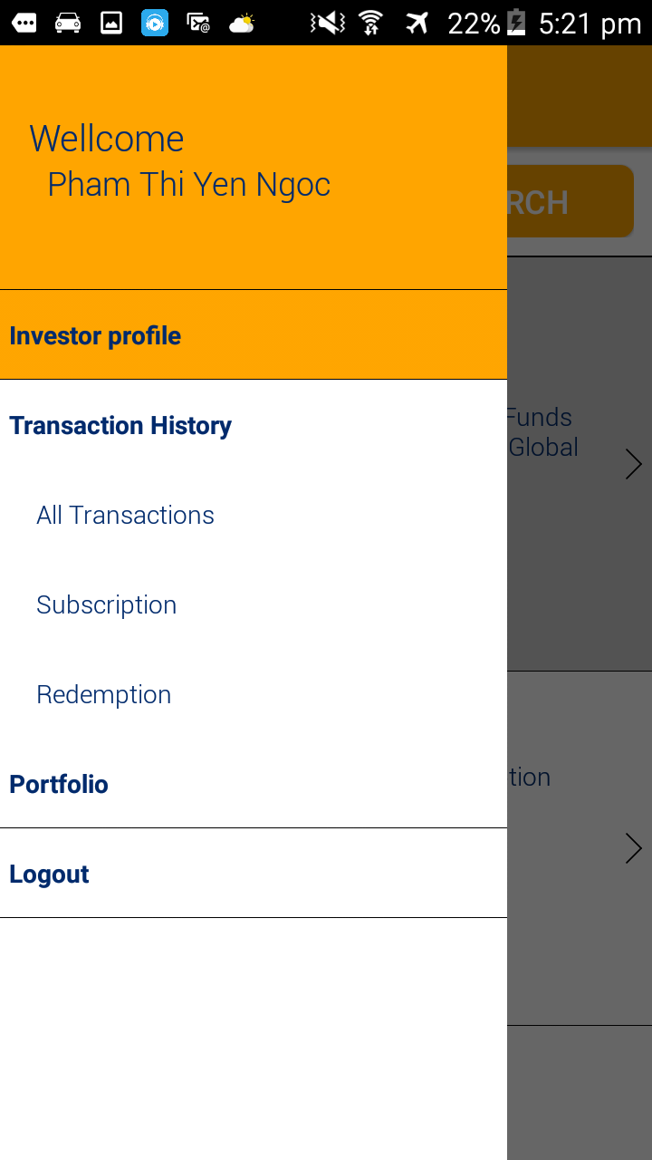
 |  |  |  |  |  | 2.1. Change of wording as beside |  |  | 1-Nov-17 | Yen Ngoc
 |  |  |  |  |  | Current | Change to
 |  |  |  |  |  | Wellcome | Welcome
 |  |  |  |  |  | All Transactions | Transaction Summary

 |  |  |  |  |  | 2.2. Please add in Fund Information as same level as Investor Profile & under Investor Profile |  |  | 1-Nov-17 | Thu Phuong
 |  |  |  |  |  | Fund Information will include sub levels & listed fields:

 |  |  |  |  |  | Fund Information | Contact Information | Fund ID
 |  |  |  |  |  |  |  | Fund Name
 |  |  |  |  |  |  |  | Address
 |  |  |  |  |  |  |  | Email
 |  |  |  |  |  |  |  | Fasimile

 |  |  |  |  |  |  | Bank Account | Intermediary Bank
 |  |  |  |  |  |  |  | Beneficiary Bank
 |  |  |  |  |  |  |  | Beneficiary Bank BIC
 |  |  |  |  |  |  |  | Beneficiary Account Number
 |  |  |  |  |  |  |  | Beneficiary Account Name

 |  |  |  |  |  | 2.2. Please add more levels under Subscription & Redemption as we have provided the screens |  |  | 1-Nov-17 | Yen Ngoc
 |  |  |  |  |  | before and as our comments below

 |  |  |  |  |  | Subscription | Subscription Order
 |  |  |  |  |  |  | Confirmation of Cash Received
 |  |  |  |  |  |  | Subscription Note
 |  |  |  |  |  | Redemption | Redemption Order
 |  |  |  |  |  |  | Redemption Note
 |  |  |  |  |  |  | Confirmation of Cash Paid

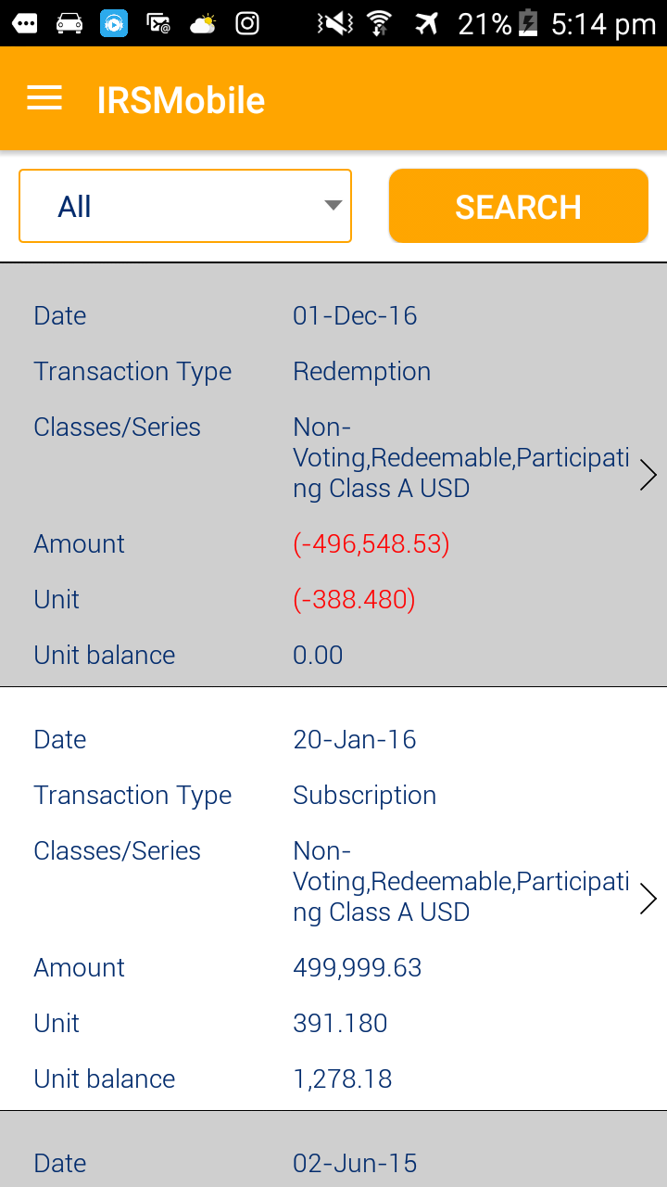
3. Home screen when logged in
 |  |  | Testing case: PAN10099

 |  |  | Transaction Summary |  |  | 3.1. Change IRS Mobile title to Transaction Summary |  |  | 2017-11-01 | Yen Ngoc

 |  |  | Dealing Date | 1-Dec-2016 |  | 3.2. This date will be Dealing Date & map to Dealing date on IRS |  |  | 2017-11-01 | Yen Ngoc

 |  |  | Transaction Type | Redemption |  | 3.3. Map with transaction type on shareholder register form |  |  | 2017-11-01 | Yen Ngoc
 |  |  | Classes/Series: | Non-Voting, Redeemable, Participating Class A |  | 3.4. Remove currency on Classes/Series as appearing on amount already. |  |  | 2017-11-01 | Yen Ngoc

 |  |  | Amount | (USD 499,999.63) |  | 3.5. Amend to add in Price & re-map Unit as currently Unit is linked to Price |  |  | 2017-11-01 | Yen Ngoc
 |  |  | Price | 388.48
 |  |  | Unit | (1,278.183) |  | 3.6. Set number of decimals appear for all Unit & Price as in Fund information set-up in IRS |  |  | 2017-11-01 | Yen Ngoc
 |  |  | Unit Balance | -
 |  |  |  |  |  | 3.7. Remove Transaction Detail as we have changed the format so it's duplicated information |  |  | 2017-11-01 | Yen Ngoc

 |  |  | Dealing Date | 20-Jan-2016

 |  |  | Transaction Type | Transfer In
 |  |  | Classes/Series: | Non-Voting, Redeemable, Participating Class A

 |  |  | Amount | USD 499,999.63
 |  |  | Price | 391.18
 |  |  | Unit | 1,278.183
 |  |  | Unit Balance | 1,278.183

4. Transaction Summary screen |  |  |  |  |  | 4.1. Amend in accordance with home screen when log in above |  |  | 2017-11-01 | Thu Phuong

5. Subscription Note screen
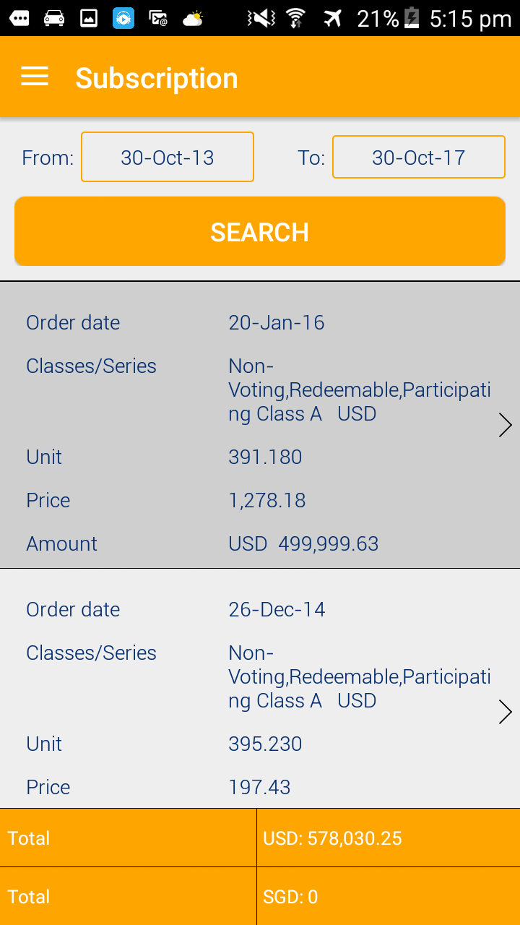
 |  |  | Testing case: PAN10099

 |  |  | Subscription Note

 |  |  |  |  |  | 5.1. Show all transactions if investor does not choose beginning & ending date |  |  | 2017-11-01 | Yen Ngoc

 |  |  | Dealing date: | 20-Jan-2016 |  | 5.2. Amend to Dealing date & Map with Dealing Date in IRS |  |  | 2017-11-01 | Yen Ngoc
 |  |  | Classes/Series: | Non-Voting, Redeemable, Participating Class A |  | 5.3. Remove currency after Classes/Series
 |  |  | Unit | 1,278.183 |  | 5.4. Check the mapping for Unit and Price |  |  | 2017-11-01 | Yen Ngoc
 |  |  | Price | 391.18
 |  |  | Amount | USD 499,999.63
 |  |  |  |  |  | 5.5. Remove Transaction Detail
 |  |  |  |  |  |  |  |  | 2017-11-01 | Yen Ngoc

 |  |  |  |  |  | 5.5. Remove Total lines |  |  | 2017-11-01 | Thu Phuong

6. Redemption Note screen

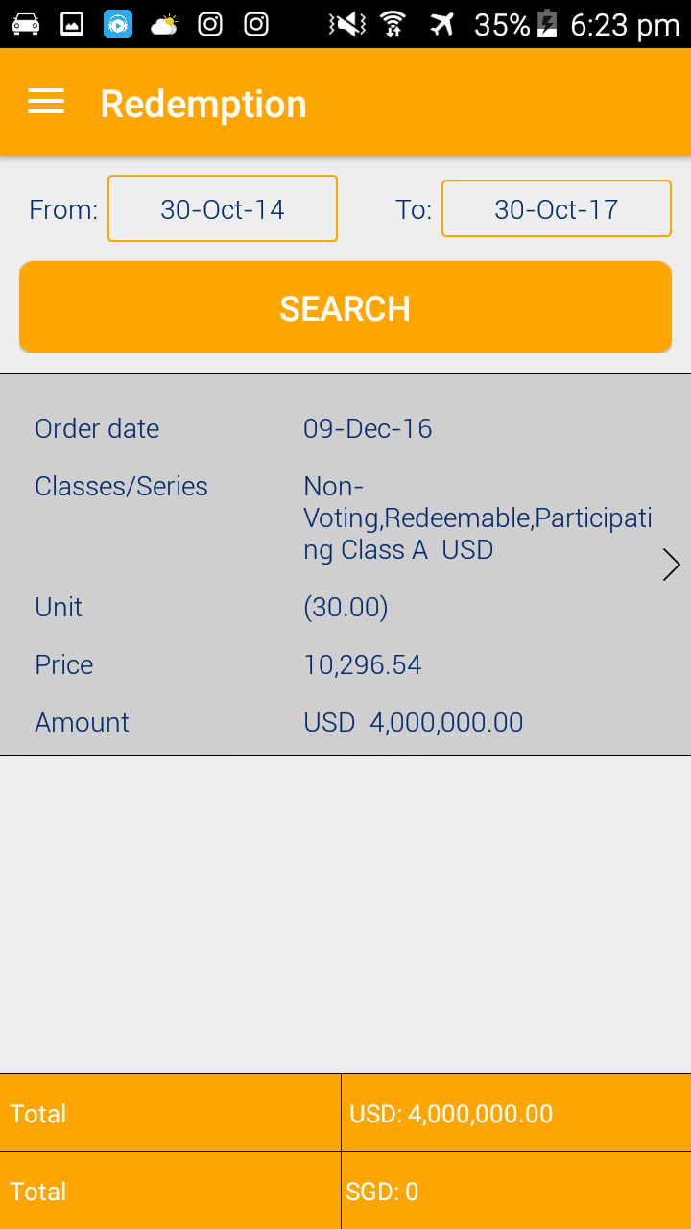
 |  |  | Testing case: PAN10091

 |  |  |  |  |  | 6.1. Show all transactions if investor does not choose beginning & ending date |  |  | 2017-11-01 | Yen Ngoc

 |  |  | Transaction type | Redemption or Transfer Out
 |  |  | Dealing Date | 1-Dec-2016 |  | 6.2. Amend to Dealing date & Map with Dealing Date in IRS |  |  | 2017-11-01 | Yen Ngoc
 |  |  | Classes/Series | Non-Voting, Redeemable, Participating Class A |  | 6.3. Remove currency after Classes/Series

 |  |  | Unit | 10,296.540 |  | 6.4. Check the mapping for Unit and Price |  |  | 2017-11-01 | Yen Ngoc
 |  |  | Price | 388.48
 |  |  | Amount | USD 4,000,000.00 |  | 6.5. Remove Transaction Detail |  |  | 2017-11-01 | Yen Ngoc
 |  | * | Equalisation Credit/ (Contingent Redemption) | (USD 1,453.30) |  | 6.6. Add in EC/(CR) when have, you may refer to redemption note print out from IRS for PAN10091 |  |  | 2017-11-01 | Yen Ngoc
 |  | * | Net Redemption Amount | USD 3,998,546.70

 |  | * | Note:
 |  |  | Hide the * part when Equalisaion Credit/(Contingent Redemption) is zero

 |  |  | 7. Portfolio screen

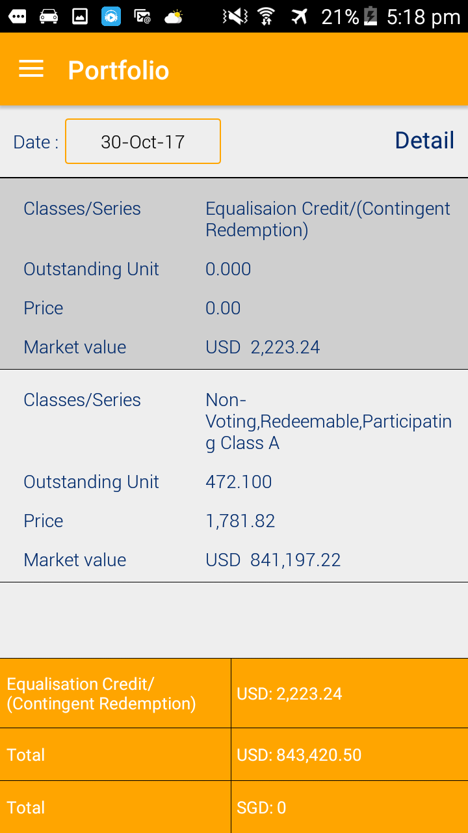
 |  |  | Testing case: PAN10020

 |  |  | Date |  |  | 7.1. Here is drop down list to choose lock transaction dates. Kindly advise if it's enough space to show all lock transaction dates |  |  | 2017-11-01 | Yen Ngoc

 |  |  |  |  |  | 7.2. When we choose the date, the market value not update yet

 |  |  | Classes/Series: | Non-Voting, Redeemable, Participating Class A
 |  |  | Outstanding Unit | 1781.820
 |  |  | Price | 472.10 |  | 7.3. Check the mapping for Unit and Price |  |  | 2017-11-01 | Yen Ngoc
 |  | * | Value of Equalisation Credit/(Contingent Redemption) | USD 2,223.24 |  | 7.4. To add in EC/CR when have numbers and wont appear if Zero |  |  | 2017-11-01 | Yen Ngoc
 |  |  | Market value | USD 843,420.46

 |  |  |  |  |  | 7.4 Remove this Equalisation Credit/(Contingent Redemption) line.

 |  |  |  |  |  | 7.5. The total should appear based on currencies that share class have, it wont be fixed as USD & SGD only. Please help |  |  | 2017-11-01 | Thu Phuong

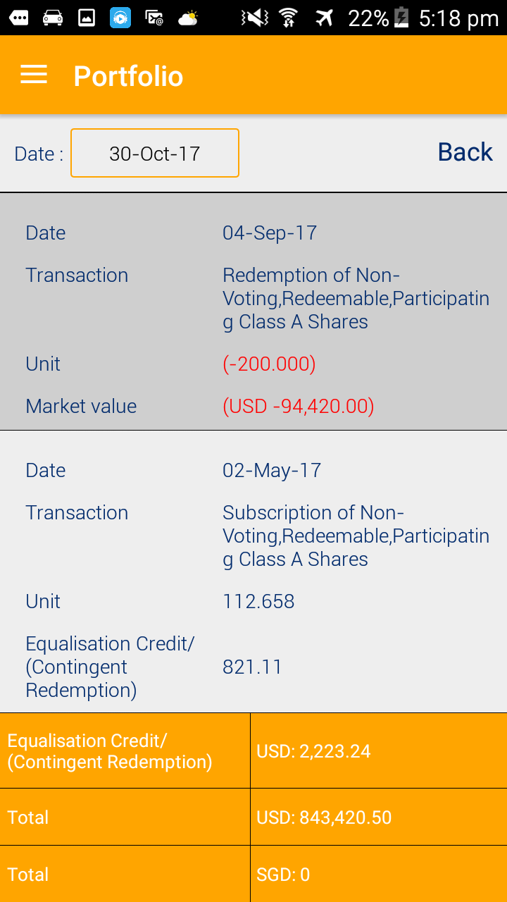

 |  |  |  |  |  | 7.6. After click Detail, remove Total & Equalisation at the end of screen |  |  | 2017-11-01 | Yen Ngoc

8. Subscription Order |  |  |  |  |  | 8. Please add in Subscription Order level |  |  | 2017-11-01 | Yen Ngoc

 |  |  | From | To | Search

 |  |  | *Show all transactions if investor does not choose beginning & ending date

 |  |  | Transaction type | Subscription
 |  |  | Order date | 19-Nov-2016 | Map with Order Date
 |  |  | Dealing date | 1-Dec-2016 | Map with Dealing Date
 |  |  | Classes/Series | Series 01
 |  |  | Amount | USD 300.00

 |  |  | Transaction type | Subscription
 |  |  | Order date | 17-Oct-2016
 |  |  | Dealing date | 1-Oct-2016
 |  |  | Classes/Series | Series 03
 |  |  | Amount | SGD 360.00

 |  |  | Transaction type | Subscription
 |  |  | Order date | 20-Sep-2016
 |  |  | Dealing date | 1-Oct-2016
 |  |  | Classes/Series | Series 01
 |  |  | Amount | USD 400.00

 |  |  | Transaction type | Transfer In
 |  |  | Order date | 17-Apr-2016
 |  |  | Dealing date | 1-May-2016
 |  |  | Classes/Series | Series 02
 |  |  | Amount | USD 2,500.00

 |  |  | Transaction type | Subscription
 |  |  | Order date | 20-Jan-2016
 |  |  | Dealing date | 1-Feb-2016
 |  |  | Classes/Series | Series 01
 |  |  | Amount | USD 1,000.00

 |  |  | Note: Set number of decimals as in Fund information
 |  |  | Do not show total

9. Confirmation of Cash Received |  |  |  |  |  | 9. Please add in Confirmation of Cash Received level |  |  | 2017-11-01 | Yen Ngoc

 |  |  | From | To | Search

 |  |  | *Show all transactions if investor does not choose beginning & ending date

 |  |  | Dealing date | 1-Dec-2016 | Map with Dealing Date
 |  |  | Date received | 27-Nov-2016 | Map with Date Received
 |  |  | Classes/Series | Series 01
 |  |  | Amount | USD 300.00

 |  |  | Dealing date | 1-Oct-2016
 |  |  | Date received | 25-Oct-2016
 |  |  | Classes/Series | Series 03
 |  |  | Amount | SGD 360.00

 |  |  | Dealing date | 1-Oct-2016
 |  |  | Date received | 26-Sep-2016
 |  |  | Classes/Series | Series 01
 |  |  | Amount | USD 400.00

 |  |  | Dealing date | 1-May-2016
 |  |  | Date received | 28-Apr-2016
 |  |  | Classes/Series | Series 02
 |  |  | Amount | USD 2,500.00

 |  |  | Dealing date | 1-Feb-2016
 |  |  | Date received | 8-Feb-2016
 |  |  | Classes/Series | Series 01
 |  |  | Amount | USD 1,000.00

 |  |  | Note: Set number of decimals as in Fund information
 |  |  | Show multiple "Total" for multiple currency

10. Redemption order |  |  |  |  |  | 10. Please add in Redemption Order level |  |  | 2017-11-01 | Yen Ngoc

 |  |  | From | To | Search

 |  |  | *Show all transactions if investor does not choose beginning & ending date

 |  |  | Transaction type | Redemption
 |  |  | Order date | 19-Dec-2016 | Map with Order Date
 |  |  | Dealing date | 1-Jan-2017 | Map with Dealing Date
 |  |  | Classes/Series | Series 03
 |  |  | Amount | SGD 120.00

 |  |  | Transaction type | Redemption
 |  |  | Order date | 20-Jul-2016
 |  |  | Dealing date | 1-Aug-2016
 |  |  | Classes/Series | Series 02
 |  |  | Amount | USD 500.00

 |  |  | Transaction type | Redemption
 |  |  | Order date | 25-May-2016
 |  |  | Dealing date | 1-Jun-2016
 |  |  | Classes/Series | Series 01
 |  |  | Amount | USD 200.00

 |  |  | Transaction type | Redemption
 |  |  | Order date | 19-Mar-2016
 |  |  | Dealing date | 1-Apr-2016
 |  |  | Classes/Series | Series 01
 |  |  | Unit | 30.00

 |  |  | Note: Set number of decimals as in Fund information
 |  |  | Do not show total
 |  |  | Redemption order can show unit or amount

12. Confirmation of Cash Paid |  |  |  |  |  | 12. Please add in Confirmation of Cash Paid level |  |  | 2017-11-01 | Yen Ngoc

 |  |  | From | To | Search

 |  |  | *Show all transactions if investor does not choose beginning & ending date

 |  |  | Dealing Date | 1-Jan-2017 | Map with Dealing Date
 |  |  | Date Paid | 20-Jan-2017 | Map with Date Paid
 |  |  | Classes/Series | Series 03
 |  |  | Amount | SGD 120.00

 |  |  | Dealing Date | 1-Aug-2016
 |  |  | Date Paid | 10-Sep-2016
 |  |  | Classes/Series | Series 02
 |  |  | Amount | USD 500.00

 |  |  | Dealing Date | 25-May-2016
 |  |  | Date Paid | 1-Jun-2016
 |  |  | Classes/Series | Series 01
 |  |  | Amount | USD 200.00

 |  |  | Dealing Date | 1-Apr-2016
 |  |  | Date Paid | 9-May-2016
 |  |  | Classes/Series | Series 01
 |  |  | Amount | USD 300.00

 |  |  | Note: Set number of decimals as in Fund information
 |  |  | Show multiple "Total" for multiple currency

